Dashboard
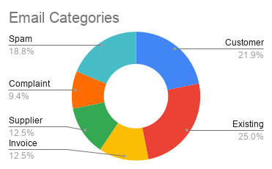
Employee Workload
 |  | Metric | Value |  | All Tasks | Assigned Tasks | In Progress | Waiting | Completed Tasks | Cancelled Tasks
 |  | Emails Processed by AI | 32 |  | 21 | 8 | 2 | 1 | 9 | 1
 |  | Tasks Automatically Created | 21
 |  | Suggested Replies Generated | 30 |  | Email Categories | Count
 |  | Automation Rate | 0.96875 |  | Customer enquiry | 7
 |  |  |  |  | Existing customer | 8
 |  |  |  |  | Invoice | 4
Task Status
 |  |  |  |  | Supplier | 4
 |  |  |  |  | Complaint | 3
 |  |  |  |  | Spam | 6

Total Emails Received | Processed Successfully | Tasks Identified | Spam Filtered | Processing Errors
32 | 31 | 21 | 6 | 1
 |  |  |  |  | Employee Name | Current Workload
 |  |  |  |  | Jake Marshall | 3
 |  |  |  |  | Donna Rourke | 1
 |  |  |  |  | David Trainer | 2
 |  |  |  |  | Harry Lewis | 3

